Carbon Budgets
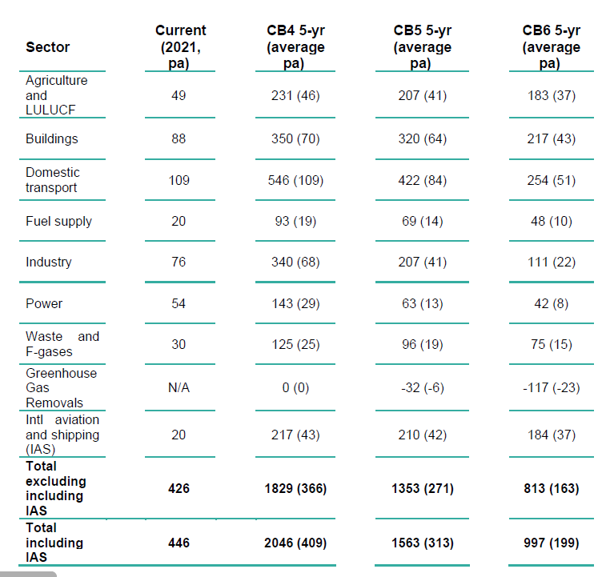
 | MtCO2e | 2018 | 2019 | 2020 | 2021 | 2022 | 2023 | 2024 | 2025 | 2026 | 2027 | 2028 | 2029 | 2030 | 2031 | 2032 | 2033 | 2034 | 2035 | 2036 | 2037
1 | CCC 6thCB Baseline | 117 | 118 | 119 | 120 | 121 | 121 | 121 | 122 | 122 | 123 | 123 | 124 | 124 | 125 | 126 | 126 | 127 | 128 | 128 | 129
2 | CCC 6CB Balanced Net Zero Pathway | 122 | 122 | 120 | 117 | 115 | 111 | 106 | 99 | 94 | 89 | 83 | 77 | 69 | 63 | 56 | 49 | 43 | 37 | 31 | 26
3 | DFT TDP Low (NZS) | 129.4 | 122.15 | 121.0 | 121.0 | 120.0 | 119.0 | 118.0 | 116.0 | 112.0 | 108.0 | 105.0 | 100.0 | 97.0 | 89.0 | 83.0 | 78.0 | 69.0 | 65.0 | 58.0 | 54.0
4 | DfT TDP High (NZS) | 129.4 | 122.15 | 109.1 | 99.0 | 92.0 | 90.0 | 88.0 | 86.0 | 77.0 | 70.0 | 64.0 | 58.0 | 52.0 | 47.0 | 41.0 | 35.0 | 30.0 | 26.0 | 22.0 | 18.0
5 | NZS Upper | 122.3 | 122.15 | 109.1 | 121.8 | 118.0 | 116.5 | 115.1 | 113.3 | 108.4 | 103.5 | 95.8 | 88.5 | 80.1 | 72.4 | 64.3 | 53.5 | 47.7 | 42.1 | 37.8 | 34.0
6 | NZS Lower | 122.3 | 122.15 | 101.4 | 112.6 | 108.3 | 106.2 | 104.3 | 102.1 | 96.8 | 91.5 | 83.5 | 75.9 | 67.3 | 59.4 | 51.1 | 40.1 | 34.1 | 28.3 | 23.8 | 19.7
7 | Carbon Budget Delivery Plan | 129.4 | 122.15 | 103 | 109 | 119 | 119 | 114 | 109 | 104 | 99 | 94 | 89 | 84 | 77.4 | 70.8 | 64.2 | 57.6 | 51 | 44.4 | 37.8

1 | Surface transport from data, domestic aviation and shipping provided by CCC as below | https://www.theccc.org.uk/wp-content/uploads/2020/12/The-Sixth-Carbon-Budget-Charts-and-data-in-the-report.xlsb
2 | Surface transport from data, domestic aviation and shipping provided by CCC as below | https://www.theccc.org.uk/wp-content/uploads/2020/12/The-Sixth-Carbon-Budget-Charts-and-data-in-the-report.xlsb
3 | Domestic Transport - estimated from Figure 2 page 45 | https://assets.publishing.service.gov.uk/government/uploads/system/uploads/attachment_data/file/1009448/decarbonising-transport-a-better-greener-britain.pdf
4 | Domestic Transport - estimated from Figure 2 page 46 | https://assets.publishing.service.gov.uk/government/uploads/system/uploads/attachment_data/file/1009448/decarbonising-transport-a-better-greener-britain.pdf
5 | Domestic Transport Sheet 3v. | https://assets.publishing.service.gov.uk/government/uploads/system/uploads/attachment_data/file/1066450/nzs-charts-tables-v1.1.xlsx
6 | Domestic Transport Sheet 3v. | https://assets.publishing.service.gov.uk/government/uploads/system/uploads/attachment_data/file/1066450/nzs-charts-tables-v1.1.xlsx
7 | Table 2 Page 13 - interpolated for constant change over 5 year period and 5 year average as year 3 | https://www.gov.uk/government/publications/carbon-budget-delivery-plan

CCC surface transport | 116 | 116 | 116 | 111 | 108 | 103 | 98 | 92 | 87 | 81 | 76 | 69 | 62 | 55 | 49 | 43 | 38 | 32 | 27 | 23
CCC domestic shipping | 5 | 5 | 5 | 5 | 5 | 5 | 5 | 5 | 5 | 5 | 5 | 5 | 5 | 4 | 4 | 4 | 4 | 4 | 4 | 4
CCC domestic aviation | 1 | 1 | 1 | 1 | 1 | 1 | 1 | 1 | 1 | 1 | 1 | 1 | 1 | 1 | 1 | 1 | 1 | 1 | 1 | 1
 | 122 | 122 | 122 | 117 | 114 | 109 | 104 | 97 | 92 | 87 | 81 | 75 | 67 | 60 | 54 | 48 | 43 | 37 | 32 | 28

Carbon Budget Delivery Plan

